Register functionality
Testcase_ID | Test case title | Test steps | Expected results | Actual Results | Test result | Screenhots
TC_001 | Validate the working of register functionality for the first time user | 1.Open the Application (https://www.amazon.com/) in any Browser 2. Hover the cursor to " Hello ,signIn Account & List" option available at the rigt corner side tab 3.Click on "New customer? Start here." 4. Enter new Account Details into the Mandatory Fields (First Name, Last Name, E-Mail,Telephone, Password, Re-enterPassword and Privacy Policy Fields) 5.Click on 'Continue' button | 1.User should be logged in, taken to 'Account Succcess' page and proper details should be displayed on the page 2. User should be taken to 'Account' page and a confirm email should be sent to the registed email address | 1. User got logged in, taken to 'Account Succcess' page sucessfully and proper details got displayed on the page 2. User is taken to 'Account' page and a confirm email received at the registed email address" | Pass | 
TC_002 | Validate 'Thank you for registering' email is sent to the registered email address as a confirmation for registering the account | 1.Open the Application (https://www.amazon.com/) in any Browser 2. Hover the cursor to " Hello ,signIn Account & List" option available at the rigt corner side tab 3.Click on "New customer? Start here." 4. Enter new Account Details into the Mandatory Fields (First Name, Last Name, E-Mail/Mobile number, Password, Re-enterPassword and Privacy Policy Fields) 5.Check for the email address received to the registered mail id | 1. Validate a confirmation email for registering the account is sent to the registered email address. 2. Validate the Email subject, body and from address of the received email. 3. Validate there is a link to the login page provided in the Email body 4. User should be taken to the Login page | 1. User didn't received an email to his registered email address | Fail
TC_003 | Validate Registering an Account by providing all the fields | 1.Open the Application (https://www.amazon.com/) in any Browser 2. Hover the cursor to " Hello ,signIn Account & List" option available at the rigt corner side tab 3.Click on "New customer? Start here." 4. Enter new Account Details into the Mandatory Fields (First Name, Last Name, E-Mail/Mobile number, Password, Re-enterPassword and Privacy Policy Fields) 5.Click on continue button | 1. User should be logged in, taken to 'Account Succcess' page and proper details should be displayed on the page | User can able to loged in and able to view details on the account success page | Pass
TC_003 | Validate proper notification messages are displayed for the mandatory fields, when you don't provide any fields in the 'Register Account' page and submit | 1.Open the Application (https://www.amazon.com/) in any Browser 2. Hover the cursor to " Hello ,signIn Account & List" option available at the rigt corner side tab 3.Click on "New customer? Start here." 4.Don't enter any thing into the mandatory fields | 1. User should not be logged in, instead warning msgs should be displayed for the below mandatory fields: For Name field, the warning message " Enter your name" should be displayed. . For Mobile number or email, the warning message "Enter your email or mobile phone number" should be displayed. For Password, the warning message "Minimum 6 characters required" should be displayed. | As expected, user is able to view warning messages for all the mandatory fields | 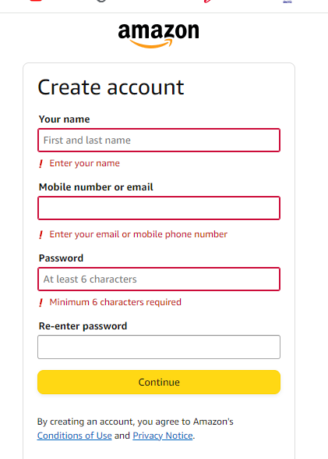 Pass
TC_004 | Validate Registering an Account by entering different passwords into 'Password' and 'Re-enter-Password ' fields | 1.Open the Application (https://www.amazon.com/) in any Browser 2. Hover the cursor to " Hello ,signIn Account & List" option available at the rigt corner side tab 3.Click on "New customer? Start here." 4. Enter new Account Details into the Mandatory Fields (First Name, Last Name, E-Mail/Mobile number, and Privacy Policy Fields) 5.Enter "12345" into "password" fields 6. Enter "xyx$221" into "Re-enter password" fields 7. Click on continue button | 1.Account should not be created, instead a warning message - "Passwords must match ' should be displayed under 'Password Confirm' field. | Warning messages as specified in the Expected Results got displayed | Pass | 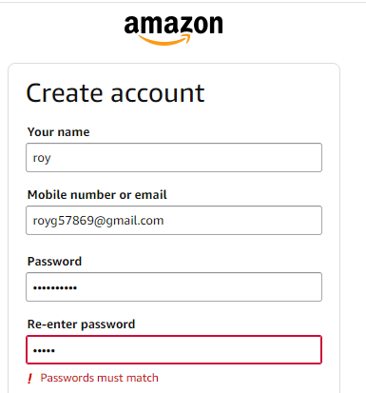
TC_005 | Validate Registering an Account by providing the existing account details (i.e. existing email address) | 1.Open the Application (https://www.amazon.com/) in any Browser 2. Hover the cursor to " Hello ,signIn Account & List" option available at the rigt corner side tab 3.Click on "New customer? Start here." 4. Enter existing Account Details into the Mandatory Fields (First Name, Last Name, E-Mail/Mobile number, and Privacy Policy Fields) 5. Click on continue button | Account should not be created again, instead the warning messsage - 'Warning: E-Mail Address is already registered!' should be displayed | As expected, user is able to view warning messages for the specific field. | Pass | 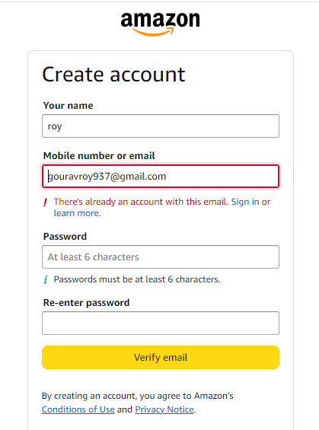

Product browsing
Testcase_ID | Test case title | Test steps | Expected results | Actual Results | Test result | Screenhots
TC_PB_001 | Validate that Product Name, Brand and Product Code are displayed in the Product Display Page | 1.Enter any existing Product name into the Search text box field 2. Click on the button having search icon 3. Click on the Product displayed in the Search results 4. Check the Product Name, Brand and Product Code in the displayed Product Display Page | Proper Product Name, Brand and Product Code should be displayed for the different types of Products in the Product Display Page. | Proper Product Name, Brand and Product Code are displayed for the different types of Products in the Product Display Page. | Pass | 